About
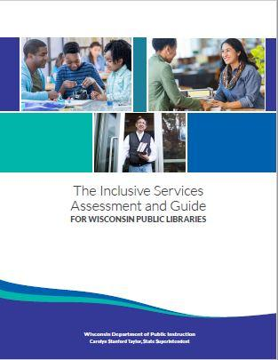
INCLUSIVE SERVICES ASSESSMENT RUBRIC - ABOUT
 | The Inclusive Services Assessment and Guide was designed by Wisconsin public library and public library system staff for Wisconsin public library directors, staff, and boards with the intent to foster inclusive library environments where everyone is safe, welcomed, and respected. The tool was designed to be used by individuals and groups for evaluating current services and planning for the future. Inclusion is not a one-size-fits-all concept, nor a complete-and-move-on challenge. To use this Rubric, visit the DPI Inclusive Services webpage (https://dpi.wi.gov/libraries/public-libraries/inclusive-services) to access survey links for each section of the assessment. Utilize the Reflection Worksheet for developing next steps.

